Logic-OOALV Report
Object Description |  | Need a program which Should display the HR object details for the given Object Type and Begin and end date. The data should be displayed in simple tabular format. The program should be able to generate the data whenever the push button is pressed. Also there should be two push button available to download the data and generate the Adobeform of result data. The filtering parametes and output table should be on same screen

Selection screen
1 | Accept 'Object type', 'From date' and 'Till date' as mandatory input.
2 | Output generated should be displayed just below the filtering parameters

Logic for Report
1 | Fetch related data from table ZHRP1000 and ZHRP10001 based on selection screen inputs.
2 | Display Object Type, Object ID, Start Date, End Date, Object Name, Type of Related Object & ID of Related Object
3 | After passing the required inputs to program it should display all the fetched records in tabular format on same screen.
5 | The push button should be just below parameters as shown in screenshot
6 | Apply inner join on four tables and fetch the details based on common fields and language should be filtered with 'EN'
7 | Add GUI status to navigate back screen using standard back button. Also activate cancel button
8 | Everytime button is pressed with input parameters as filters the data should be filtered and displayed
9 | Get Form' button should display Adobe form containing data being displayed as result
10 | Download Data' should download the result data as excel file on local desktop
11 | For screen designing and Adobeform structure refere screenshot below

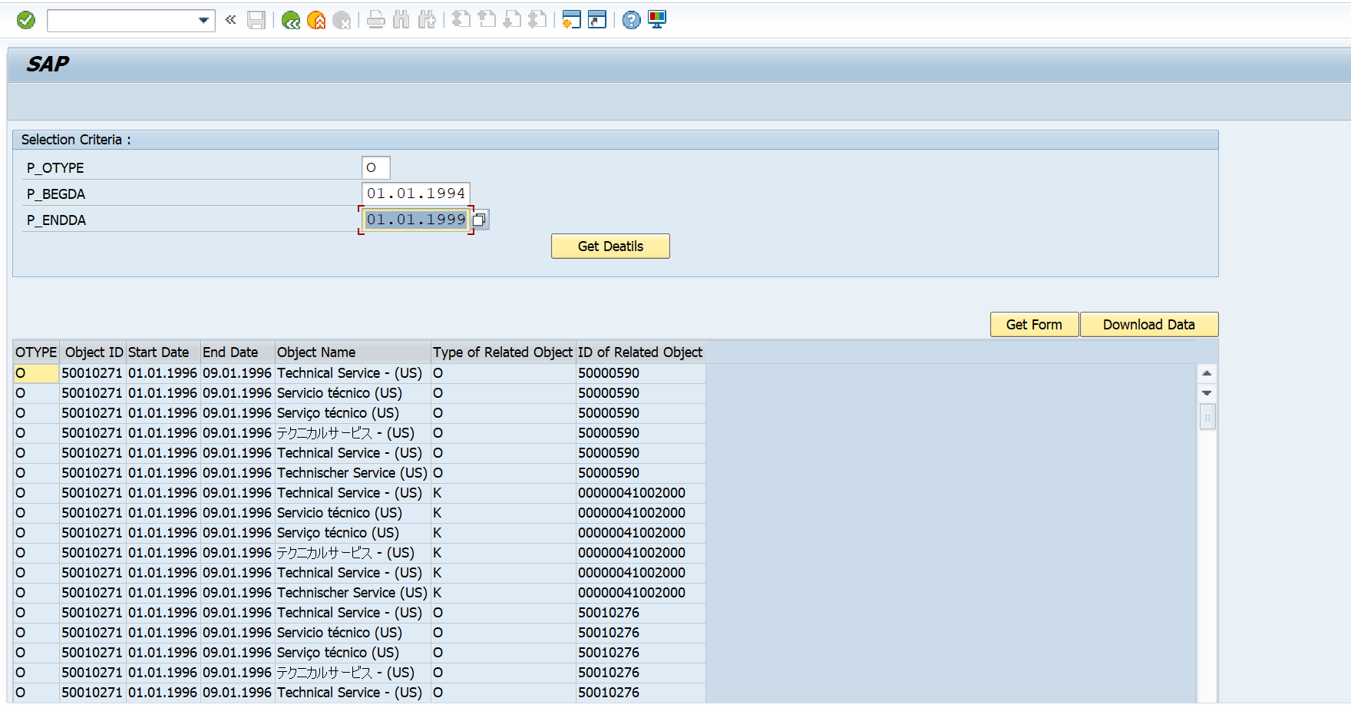
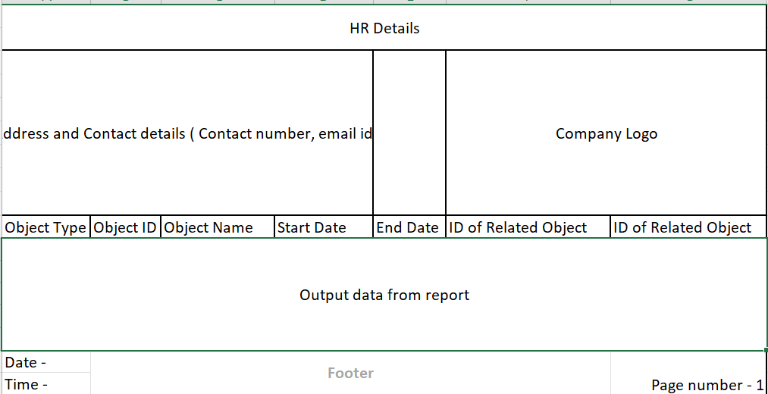
 |  |  | OOALV | Adobeform Structre
Screen

Logic to retrieve data from tables
 | How to retrieve data from Table?

 | 1. In select query select data from ( ZHRP1000 - Object Type, Object ID, Start Date, End Date & Object Name) & ( ZHRP1001 - Type of Related Object & ID of Related Object) Where HRP1000 - Object Type = HRP1001 - Object Type

